1. Title Page
[Instacart Grocery Basket Analysis]

Project Name: Instacart Grocery Basket Analysis
Date: 29 April 2022
Analyst Name: Amy Yip

Project Goal:
Purpose of the project is to perform exploratory analysis on Instacart's data in order to derive insights and suggest strategies for targeted marketing segmentation to ensure right customer profiles are targeted with appropriate products.

Objectives:
To determine the busiest sales periods, departmental sales, product sales, customer profile, and customer purchasing behaviours to answer Marketing and Sales teams questions.

Contents:
Population Flow
Consistency checks
Wrangling steps
Column derivations
Visualizations
Recommendations

Citation:
“The Instacart Online Grocery Shopping Dataset 2017”, Accessed from https://www.instacart.com/datasets/grocery-shopping-2017 on 8 August 2022.

2. Population Flow
Title page

Population flow

Exclusion flag
Condition: max_order < 5
Obervations to be removed: 1,440,295 (Low-activity customers)
Final total count of order_products_all: 30,964,564

Orders_products_combined
Orders_products_merged
Orders_products_all

Total: 32,434,489
Total: 32,404,859
Total: 32,404,859

1.) The grey boxes in the first row of the population flow represent the original data sets as they were when you downloaded them. In the Total fields you need to add the count of the rows when you imported the data set into Jupyter.
2.) The second row of boxes (coloured) represents the data sets after you manipulated them, e.g., removed missing values and duplicates. In the Total fields you need to add the count of the rows after conducting these operations. This offers a visual oveview of how the data flows throughout the data consistency checks.
3.) The third row, where also the arrows are coloured, represents the merges you performed between the datasets. In the Total fields you need to add the count of the rows in the merged datasets, so that you end up with the final dataset (in the red box). Keep in mind the final dataset should be without exclusions (based on the exclusion flag).

3. Consistency checks
 |  |  |  | Title page
Consistency checks

Dataset | Missing values | Missing values treatment | Duplicates
orders | 206209 in days_since_prior_order | Created a new variable column to flag users with prior orders | N/A
products | 16 in product_name | Removed | 5 rows of full duplicates
orders_products_prior | N/A | N/A | N/A
customers | 11259 in first_name | Entire column was removed as it is not necessary for the purpose of this analysis. | N/A

4. Wrangling steps
 |  |  |  |  | Title page
Wrangling steps

Data set | Columns dropped | Columns renamed | Columns' type changed | Comment/Reason
orders | eval_set |  |  | Not required for analysis.
orders |  | order_dow to orders_day_week |  | Original name was not intuitive.
orders |  | order_number to order_numbers_users_made |  | Original name was not intuitive.
orders |  |  | order_id from integer to string | order_id column don’t represent real numeric values, rather keys related to specific orders.
 |  |  | user_id from integer to string | user_id column don’t represent real numeric values, rather keys related to specific users.
orders |  |  | order_numbers_users_made from int64 to int8 | To reduce memory size.
orders |  |  | orders_day_of_week from int64 to int8 | To reduce memory size.
orders |  |  | order_hour_of_day from int64 to int8 | To reduce memory size.
orders |  |  | add_to_cart_order from int64 to int16 | To reduce memory size.
orders |  |  | reordered from int64 to int8 | To reduce memory size.
orders |  |  | max_order from int64 to int8 | To reduce memory size.
orders |  |  | price_range_loc from object to category | To reduce memory size.
orders |  |  | busiest_days from object to category | To reduce memory size.
orders |  |  | busiest_period_of_day from object to category | To reduce memory size.
orders |  |  | loyalty_flag from object to category | To reduce memory size.
orders |  |  | spending_flag from object to category | To reduce memory size.
orders |  |  | order_frequency_flag from object to category | To reduce memory size.
orders |  |  | product_name from object to category | To reduce memory size.
customers |  | First Name to first_name |  | For consistency naming.
customers |  | Surnam to surname |  | For consistency naming and to correct typo.
customers |  | Gender to gender |  | For consistency naming.
customers |  | STATE to state |  | For consistency naming.
customers |  | Age to age |  | For consistency naming.
customers | first_name |  |  | Not required for analysis. It is also personally identifiable information, therefore best to remove column.
customers | surname |  |  | Not required for analysis. It is also personally identifiable information, therefore best to remove column.
customers |  |  | user_id from integer to string | user_id column don’t represent real numeric values, rather keys related to specific users.
customers |  |  | gender from object to category | To reduce memory size.
customers |  |  | state from object to category | To reduce memory size.
customers |  |  | fam_status from object to category | To reduce memory size.

5. Column derivations
 |  |  |  | Title page

Column derivations and aggregations

In this tab you should add tables below that the frequences of flags/label variables that you produced after deriving them. NB: don't do this for continuous variables, only for flags.
Dataset | New column | Column/s it was derived from | Conditions
orders_products_merged | price_range_loc | price | High-range product: prices > 15 Mid-range product: 5< prices <= 15 Low-range product: prices <=5
orders_products_merged | busiest_days | orders_day_of_week | Busiest days: top 2 days with most orders_day_of_week Slowest days: bottom 2 days with the least orders_day_of_week Regular days: all other days
orders_products_merged | busiest_period_of_day | order_hour_of_day | Most orders: order_hour_of_day >= 1,000,000 Average orders: 100,000 <= order_hour_of_day < 1,000,000 Fewest orders: order_hour_of_day < 100,000
orders_products_merged | loyalty_flag | max_order | Loyal customer: max_order > 40 Regular customer: 10 < max_order <= 40 New customer: max_order <= 10
orders_products_merged | spending_flag | mean_price | High spender: mean_price >= 10 Low spender: mean_price < 10
orders_products_merged | order_frequency_flag | median_days_since_prior_order | Frequent customer: median_days_since_prior_order <= 10 Regular customer: 10 < median_days_since_prior_order <= 20 Non-frequent customer: median_days_since_prior_order > 20
df_ords_prods_all_Ex4.10.1 | region | state | Northeast: Region 1 (obtained from Wikipedia) Midwest: Region 2 (obtained from Wikipedia) South: Region 3 (obtained from Wikipedia) West: Region 4 (obtained from Wikipedia)
df_ords_prods_all_4.10.1 | age_group | age | 18-19 years: age < 20 20-29 years: 20 <= age <= 29 30-39 years: 30 <= age <= 39 40-49 years: 40 <= age <= 49 50-59 years: 50 <= age <= 59 60-69 years: 60 <= age <= 69 70-79 years: 70 <= age <= 79 80+ years: age >= 80
df_ords_prods_all_4.10.1 | income_range | income | Where income are split into the following groups: 0 - 4,999 5,000 - 104,999 105,000 - 204,999 205,000 - 304,999 305,000 - 404,999 405,000 -504,999 505,000+
df_ords_prods_all_4.10.1 | parental_status | n_dependants, age | Single adult: n_dependants = 0 Young parent: age <=29 and n_dependant >= 1
df_ords_prods_all_4.10.1 | parental_status2 | n_dependants | Non-parent: n_dependant = 0 Parent: n_dependants >= 1
df_ords_prods_all_4.10.1 | day_of_week | order_hour_of_day | 0 = Saturday, 1= Sunday, 2 = Monday, 3 = Tuesday, 4 = Wednesday, 5 = Thursday, 6 = Friday
df_ords_prods_all_4.10.1 | hour_classification | order_hour_of_day | Morning: 6 <= order_hour_of_day <= 11 Afternoon: 12 <= order_hour_of_day <= 17 Evening: 18 <= order_hour_of_day <= 23 After midnight: 24 <= order_hour_of_day <= 6
df_ords_prods_all_4.10.3 | department | department, department_id | Matching department with department_id
df_ords_prods_all_4.10.3 | total_spending | order_numbers_users_made, prices | order_numbers_users_made * prices
df_ords_prods_all_4.10.3 | top_5_departments | department | Top = top 5 departments
df_ords_prods_all_4.10.3 | top_10_products | product_name, order_numbers_users_made | Top = top 10 items

6. Visuals and Recommendations
 |  | Title page

Recommendations

Sales team:
1. What are the busiest days of the week and hours of the day? (i.e., the days and times with the most orders) in order to schedule ads at times when there are fewer orders.

The busiest days of the week are Saturday and Sunday. Between 9am and 5pm are the busiest hours.

Recommendation:
It is recommended to schedule more ads during week days and increase ads after 5pm to generate more business on quieter periods.

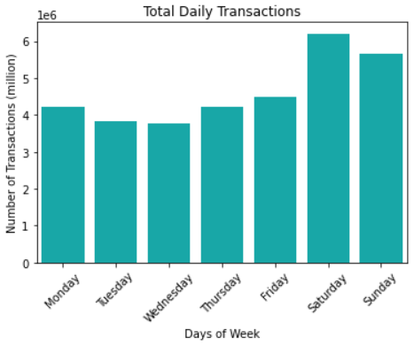
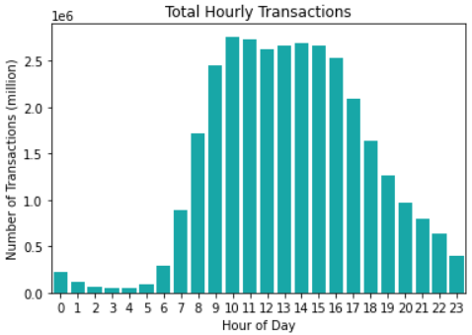

Figure 1.1 - Bar chart of the customer transaction frequency in days of the week.
Figure 1.2 - Bar chart of the customer transaction frequency in each hour of the day.

2. Are there particular times of the day when people spend the most money? (as this might inform the type of products they advertise at these times.)

Customers spend the most money between 9am to 5pm. Majority of their spendings are on mid-range priced items, followed by low-range priced items.
The most frequent purchases between these hours are from Produce, Dairy eggs, Snacks, Beverages, and Frozen departments.
Customers spend the most money on Diary eggs, Produce, and Beverages.

Recommendations:
● Focus advertising times during lower spending hours particularly after 5pm.
● Focus marketing efforts on low and high price range products.
● Focus marketing efforts on the lowest selling departments such as Bulk, Pets, and Alcohol.

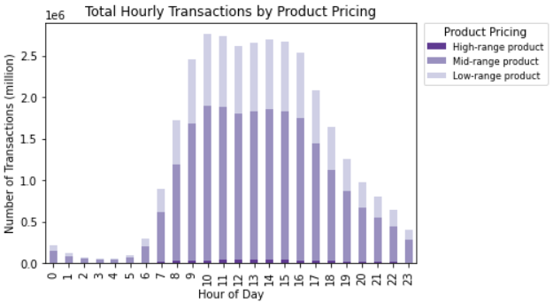
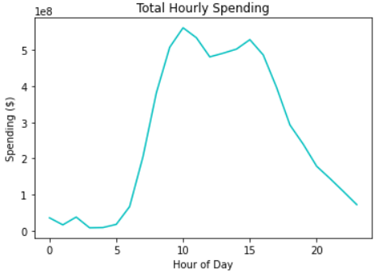
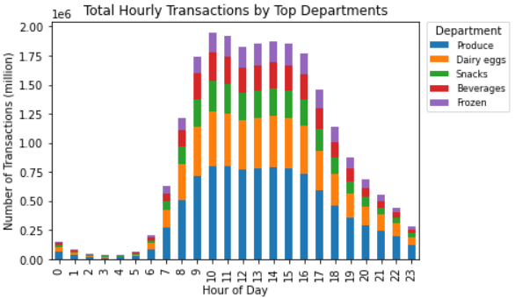

Figure 2.1 - Line chart of total customer spending in each hour of the day.
Figure 2.2 - Bar chart of customer transaction frequency in each hour of the day sorted by product price range customers purchased from.
Figure 2.3 - Bar chart of total customer transaction frequency in each hour of the day.

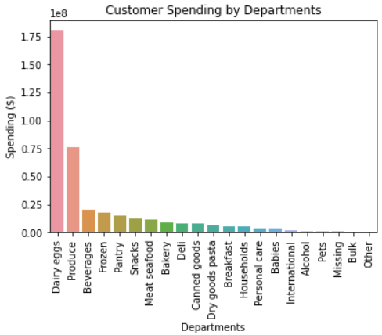
Note: 'Other' department stocks products which fall outside of the existing department categories. While, 'Missing' department stocks new products that have not been categorised into an existing department yet. Since items in 'Other' and 'Missing' departments changes on a regular basis, these departments will not be focused on in the analysis.

Figure 2.4 - Bar chart of total customer spending per department.

Customer Spending in Top 3 Departments :
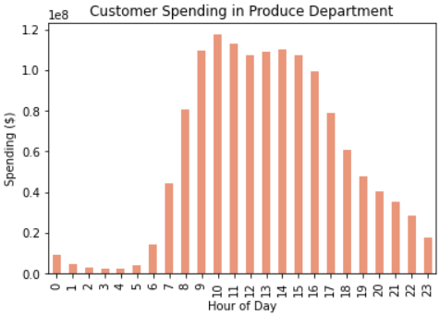
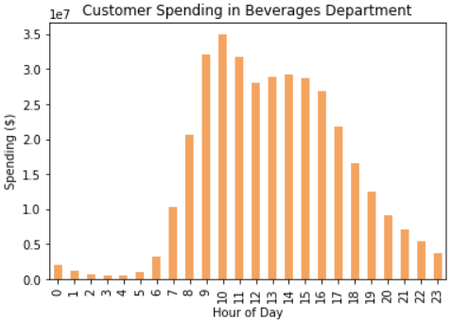
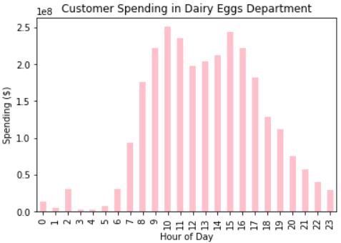

Figure 2.5 - Bar chart of total customer spending in Dairy Eggs Department.
Figure 2.6 - Bar chart of total customer spending in Produce Department.
Figure 2.7 - Bar chart of total customer spending in Beverages Department.

Customer Spending in Bottom 3 Departments:

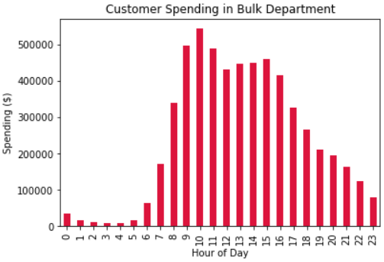
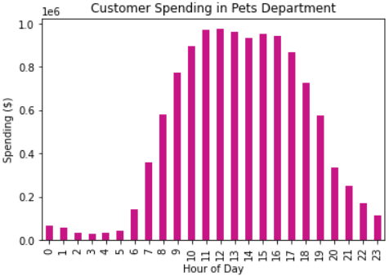
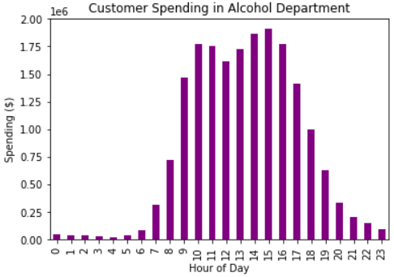

Figure 2.8 - Bar chart of customer spending in Bulk Department.
Figure 2.9 - Bar chart of customer spending in Pets Department.
Figure 2.10 - Bar chart of customer spending in Alcohol Department.

Sales and Marketing teams:
3. The team wants to use simpler price range groupings to help direct their efforts.

Product price range has been grouped into 3 categories; High-range products, Mid-range products, and low-range products. The categories are based on the following criteria:
 | High-range products: Product price is greater than $15.
 | Mid-range products: Produce price is greater than 5 and less than or equal to $15.
 | Low-range products: Product price is less than or equal to $5.

Mid-range products are the most commonly priced products at Instacart, comprising of 67.5% items storewide.

Recommendations:
● Focus marketing efforts on low and high price range products.
● Place these items on homepage and featured sections of the website.
● Source more varieties and quantities of mid-range products.

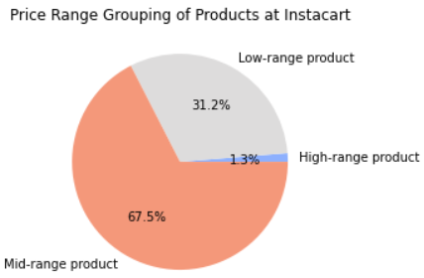

Figure 3.1 - Bar chart of price range grouping of products.

4. Are there certain types of products that are more popular than others? Which departments have the highest frequency of product orders?

Banana, organic produce, milk, and strawberries are the most popular items.
The Produce, Diary eggs, Snacks, Beverages, and Frozen departments have the highest customer orders frequency.

Recommendations:
● Increase marketing efforts on products that are not from the top 5 selling departments such as Pantry, Canned Goods, Deli, Pasta products.
● Since there is already a large customer base for organic produce at Instacart, promote instacart as an organically influenced store to further increase the tractions.
● Consider increasing advertisement on other organic items from other departments to extend the potential organic branding of Instacart.

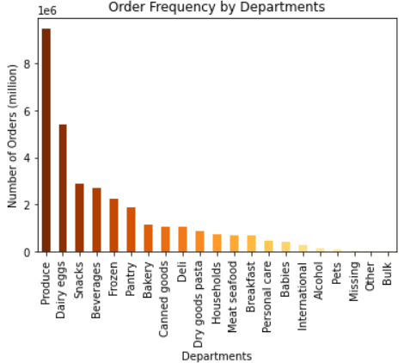
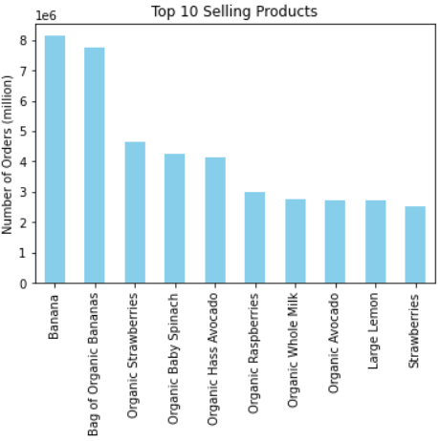

Figure 4.1 - Bar chart of customer order frequency of the top 10 selling products.
Figure 4.2 - Bar chart of customer order frequency in each department.

5. What are the different types of customers in their system and how their ordering behaviours differ. For example:
a. What’s the distribution among users in regards to their brand loyalty (i.e., how often do they return to Instacart)?

Almost half of the Instacart customer base are regulars, while 31.7% are loyal customers and 19.3% are new customers.

Recommendations:
● Target new customers with free shipping and discounts for when they make the first 5 purchases.
● Referral programs to attract new customers while providing benefits for the existing regular and loyal customers
● Customer memberships with benefits to retain existing customers.

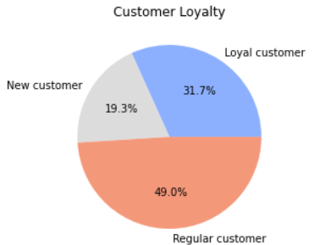

Figure 5.1 - Pie chart of customer brand loyalty distribution.

b. Are there differences in ordering habits based on a customer’s loyalty status?
Majority of customers are low spenders regardless of their loyalty status to the brand. However a notable difference in their ordering habits is that regular customers make orders most frequently, while new customers are least frequent.

Recommendation:
● Increase advertising and marketing efforts on new and loyal customers.
● For new customers, increase advertisement on websites, search engines, instagram, television, and radio. For loyal customers, send email notifications on weekly specials and promotions.
● Target high spender customers on high price range products as they are most likely willing to spend on these items.
● Target low spender customers on low to medium price range products based on their ordering habits.

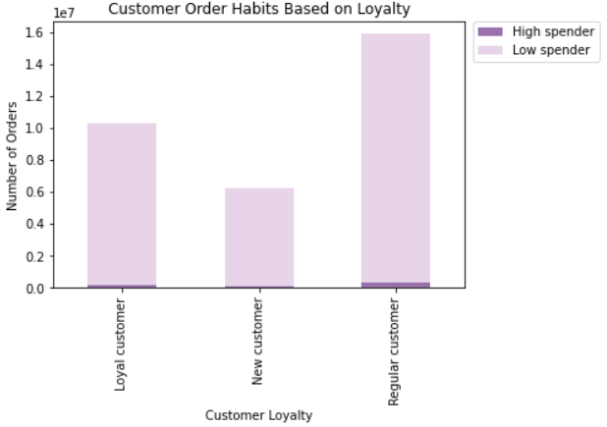

Figure 5.2 - Bar chart of customer order frequency amongst the three customer brand loyalty categories.

c. Are there differences in ordering habits based on a customer’s region?

Customer ordering habits in the South region tends to be the highest followed by the West and Midwest regions. Customers in the northeast region makes the least orders.
All four regions across U.S. tend to order mid-range price products, followed by low-range products.
Their preferred departments to order from are also the same; Produce, Diary eggs, Snacks, Beverages, and Frozen departments.

Recommendation:
● Increase marketing and advertising efforts to attract new customers while retaining existing customers in the West, Midwest, and Northeast to gain more sales.

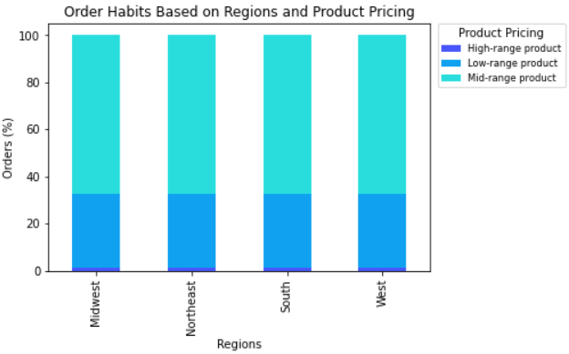
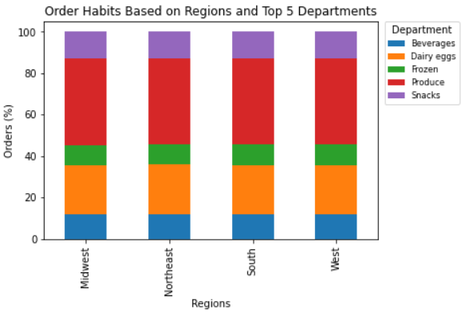
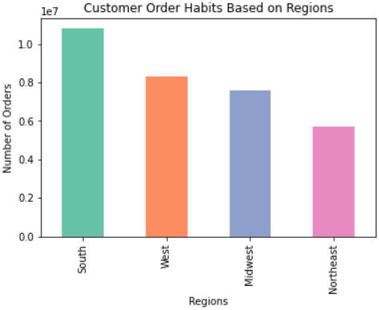

Figure 5.3 - Bar chart of customer order frequency across South, West, Midest, and Northeast regions of U.S.
Figure 5.4 - Bar chart of customer order frequency across Midwest, Northeast, South, and West regions of U.S. to show the proportion of various price range products.
Figure 5.5 - Bar chart of customer order frequency across Midwest, Northeast, South, and West regions of U.S. to show the proportion of orders from the top 5 selling departments.

d. Is there a connection between age and family status in terms of ordering habits?
Customers who are married tend to order more compared to other family statuses as they are most likely to buy more for their family not just themselves. Whereas customers who are single, living with parents and siblings, divorced or widowed customers order significantly less as they are most likely to be buying for themselves.
Customers with various family statuses all have the similar ordering habits across most ages from 18 to 79 years of age, as a result, it can be concluded that age does not have an impact on ordering behavour within this range. The only exception is the customers who are aged 80 years and over make significantly less orders which is expected as they are more likely to be dependent on carers, or not as technologically savy, or the household numbers have reduced. Another factor is the older generation population is significantly less, therefore there are less customers within this age bracket to make orders.

Recommendation:
● Focus advertising towards married customers as they are more willing to spend.

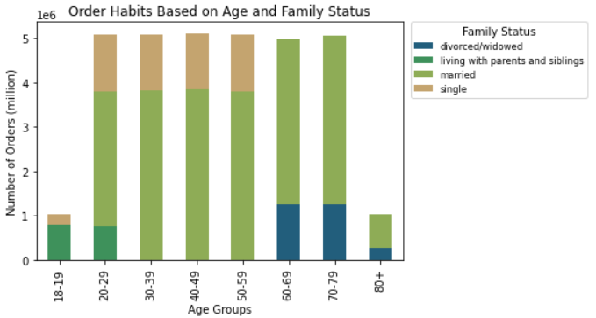

Figure 5.6 - Bar chart of customer order frequency for various age groups and family statuses.

e. What different classifications does the demographic information suggest? Age? Income? Certain types of goods? Family status?
Most customers who shop at Instacart are low to mid income earners with an income between $5,000 and $204,999. Low income earning customers between 18 to 39 years of age are major customers at Instacart. On the other hand, mid-income earners who are between 40 and 80 years of age makes up more than 50% of sales.

Recommendation:
● Focus marketing towards low to mid income earners.
● Ensure advertise affordable items to matching the spending power of low to mid income earning customers.

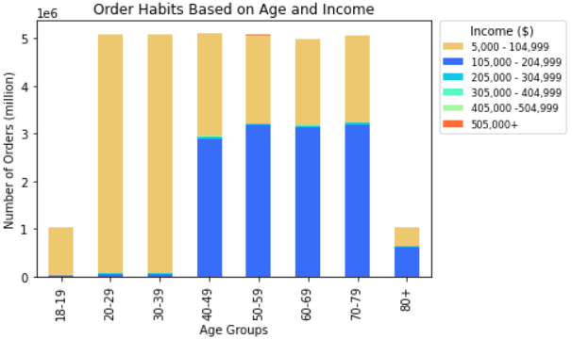

Figure 5.7 - Bar chart of customer order frequency for various age groups and income levels.

The family status or age of the customers have no impact on the type of products and departments customers order from.

Recommendations:
● Continue to advertise the most popular items such as organic produce and milk, as well as products from the top selling departments; Produce, Diary eggs, Snacks, Beverages, and Frozen.
● Have special weekly/monthly discounts on the top selling products to encourage customers to buy more. This will also keep the customers satisified.

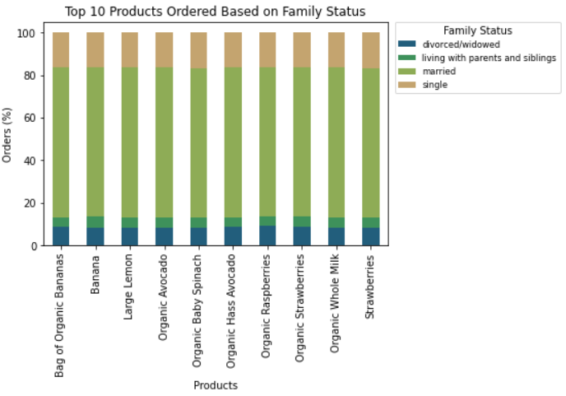
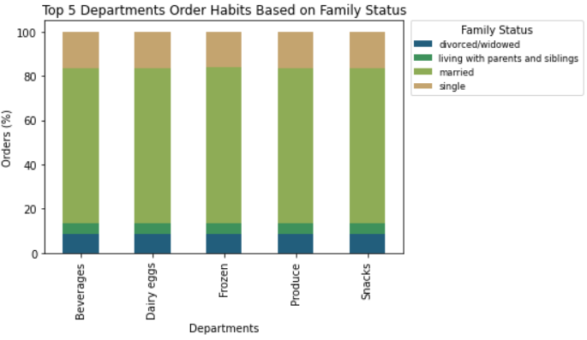
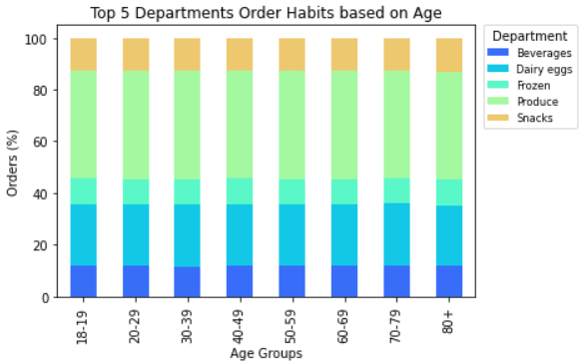

Figure 5.10 - 100% Stacked bar chart of customers order frequency across different age groups to show the proportion of orders from the top 5 selling departments.
Figure 5.9 - 100% Stacked bar chart of customer order frequency across the top 5 selling departments to show the proportion of orders made by customers from various family statuses.

Figure 5.8 - 100% Stacked bar chart of customer order frequency across the top 10 selling products to show the proportion of orders made by customers from various family statuses.

f. What differences can you find in ordering habits of different customer profiles? Consider the price of orders, the frequency of orders, the products customers are ordering, and anything else you can think of.

Customers of all age groups tend to opt for mid range price products followed by low range price products.
The sales from single adults are double the amount of young parents. This is due to higher numbers of single adult customers at Instacart.
There are also more sales from customers who are parents as majority of the customers are parents and also their family size is bigger, therefore will require more purchases.
The ordering behaviour of customers who are single adults or parents or whether they have dependants have no impact on the pricing of products they buy, low and mid range price products are still their dominant purchase.

Recommendation:
● Marketing in the types of products and product pricing Instacart advertise can be the same for single adults and parents customers and customers of all ages as their purchasing behaviour within these profiles are similar.

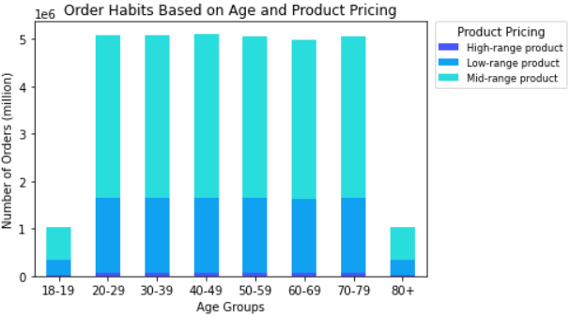

Figure 5.9 - Bar chart of customers order frequency across different age groups to show the proportion of various price range products.

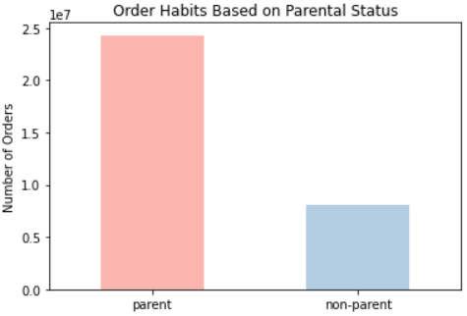
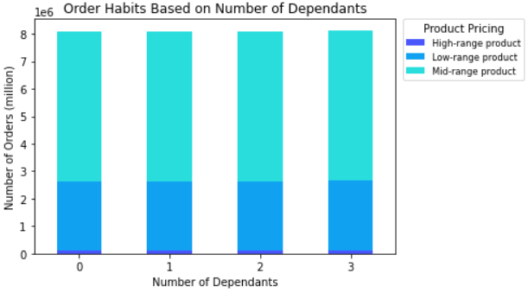
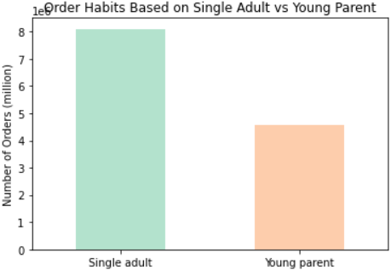

Figure 5.10 - Bar chart of order frequency comparison between single adults and young parents customers.
Figure 5.11 - Bar chart of order frequency comparison between parents and non-parents customers.
Figure 5.12 - Bar chart of customer order frequency based on number of dependants in the household and the product price range customers opt for.

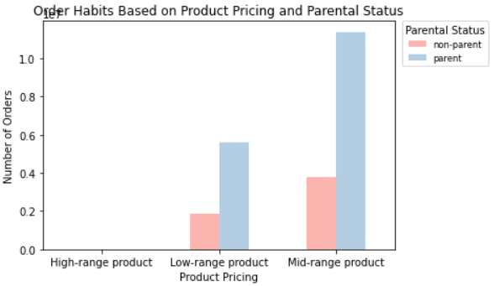
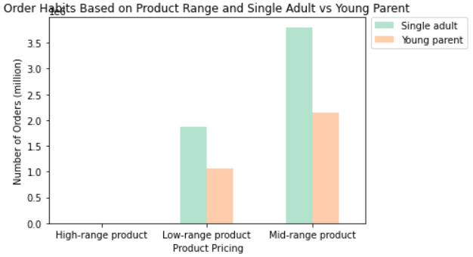

Figure 5.13 - Bar chart of customers order frequency across various price range products categorised by the living status of the customers.
Figure 5.15 - Bar chart of customers order frequency across various price range products categorised by the parental status of the customers.

Figure 5.15 - Bar chart of customers order frequency across the top 5 selling departments categorised by the time of the day.

